delete, add columns
Delete the gray, move the
3 blue columns
to D:F

delete, add rows
Delete the
gray rows, move the blue rows down to 4:9

red boxes
Delete yellow, stack red boxes vertically and move to B2:C13

copy down
A | B | C | D | E

Copy rows down, into rows 3:11

copy right
A
B
C
D
Copy columns down, into columns B:I

sort and total
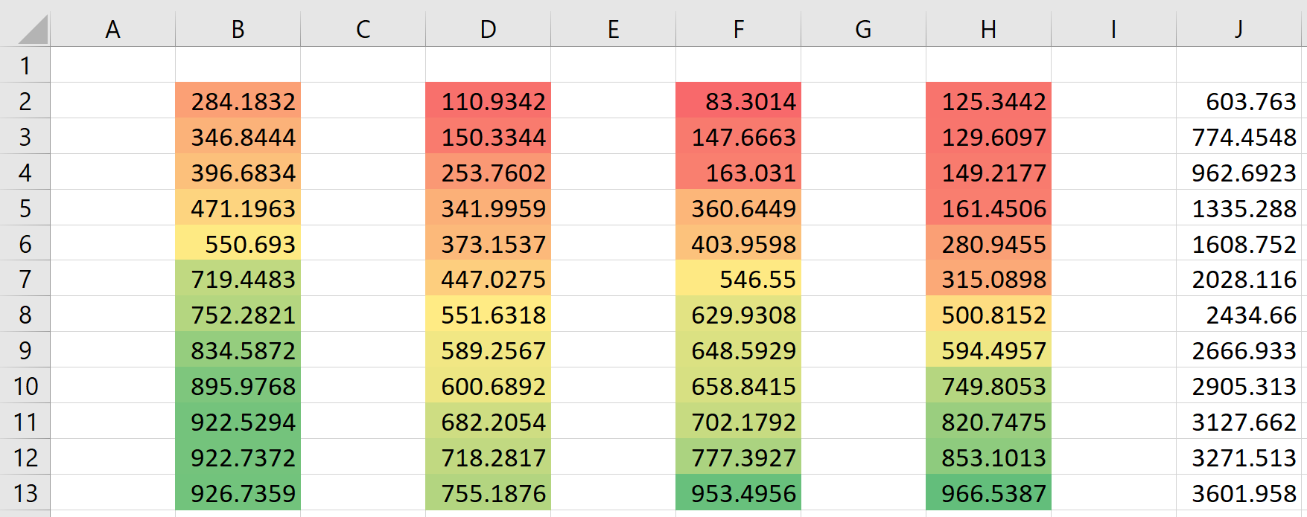
Sort each group of numbers DESCENDING, then total each row in column J
895.97678245 | 373.1536815 | 702.17924129 | 500.81516688
922.73717092 | 253.76018883 | 83.301398412 | 280.94547698
550.69297944 | 110.93420035 | 360.64493973 | 820.74749485
922.52942293 | 600.68923153 | 629.9307781 | 853.10127791
926.73590142 | 551.6318084 | 147.66631752 | 129.60969786
719.44833527 | 755.18762711 | 648.59293265 | 149.21771946
834.58719398 | 718.28173027 | 658.84146039 | 315.089753
346.84440683 | 589.25671118 | 546.5499842 | 594.49569279
284.18316513 | 447.02747874 | 163.03097414 | 749.80529486
471.19634305 | 341.99589284 | 953.49555803 | 125.34423912
752.28210611 | 150.33437597 | 403.95976494 | 161.45058421
396.68341943 | 682.2054493 | 777.39271559 | 966.538662

copy, paste special values
Copy the numbers and paste in the blue cells as values only, end result should retain the formatting of the blue background
766.72220644 | 1381.42566 | 614.7034536

146.63286978 | 146.63286978 | 459.57942114

559.65393843 | 370.32859583 | 370.32859583

300.46105717 | 300.46105717 | 354.87396076

491.51248528 | 257.2660516 | 257.2660516

782.05417894 | 399.38955219 | 484.58346604

